دستور العمل
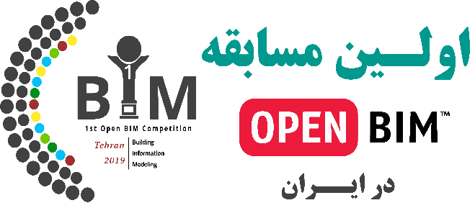
دستور العمل تکمیل فرم ثبت‌نام در مسابقه

شرکت کننده گرامی: ضمن تشکر از حضور شما در این رقابت، کاربرگی که هم اکنون مطالعه می‌نمایید دستور العمل تکمیل فرم تقاضانامه جهت شرکت در این مسابقه است. لطفا مطالب ذکر شده در این کاربرگ و اطلاعات ارائه شده در فایل راهنمای ثبت نام را که لینک دانلود آن در سایت مسابقه قرار دارد با دقت مطالعه نمائید و در تکمیل سایر قسمت های فایل Excel مطابق این راهنماها عمل نمائید. این فایل تقاضانامه قبل از تکمیل توسط شما، شامل 5 کاربرگ (Sheet) میباشد. 1. دستور العمل، 2. فرم مشخصات، 3. لیست موارد کاربرد (Use Case) به زبان انگلیسی با توضیحات، 4. ترجمه فارسی شیت سوم، و5.فرم خام ثبت موارد کاربرد می باشد. موارد قابل ارزیابی در پروژه های ارسال شده شامل 50 مورد کاربرد "Use Case " هستند که به همراه توضیحات کامل مربوط به هر مورد، به زبان های فارسی و انگلیسی داخل همین فایل Excel قرار دارند (شیت 3 و 4). لطفا دقت نمائید که کاربرگ فارسی جهت اطلاعات بیشتر شما تنظیم شده است اما به علت عدم وجود معادل دقیق فارسی برای برخی کلمات و عبارات متداول BIM و مشکلات احتمالی در ترجمه، ممکن است عبارات فارسی به حد کافی گویا نبوده یا به هر علتی باعث اشتباهاتی در فرآیند ثبت اطلاعات شما شود بنا براین لطفا قبل از ثبت هر مورد کاربرد توضیحات لاتین مربوط به آن را هم حتما به دقت مطالعه فرمائید.

فایل نهایی تحویل گرفته شده از شما حداکثر شامل 54 کاربرگ خواهد بود (در صورتی که از تمام موارد کاربرد استفاده کرده باشید)، که 50 کاربرگ برای ثبت موارد کاربرد، یک کاربرگ دستور العمل، یک کاربرگ فرم مشخصات و دو کاربرگ هم شامل لیست تمام موارد کاربرد به زبان های فارسی و انگلیسی است. برای هر مورد کاربرد BIM در پروژه شما لازم است یک بار از کاربرگ "ثبت موارد کاربرد" Copy گرفته و نام کاربرگ را به مورد کاربرد (Use Case) مربوطه تغییر دهید. برای نامگذاری کاربرگ Use Case از مخفف لاتین موجود در لیست انگلیسی، استفاده نمائید. به عنوان مثال برای نامگذاری کاربرگ مربوط به "مدلسازی وضع موجود" یا همان "Existing Conditions Modeling" از نام اختصاری ECM استفاده نمائید. لطفا فایلها و مستندات مربوط به موارد کاربرد را در این فایل قرار ندهید. لازم است برای هر مورد کاربرد یک پوشه به نام آن ایجاد کرده و اطلاعات لازم از جمله (مستندات مکتوب، فلوچارت ها، تصاویر با dpi 300 و مدارک، فایل های ویدئویی با فرمت mp4 و حداکثر 2 دقیقه، فایل ارائه و فایلهای مصاحبه صوتی یا تصویری) را در آن قرار دهید و آرشیو نهایی را برای ما ارسال نمائید. (چنانچه حجم آرشیو نهایی شما از محدودیت سایت ثبت نام بیشتر بود، میتوانید آنرا از طریق لینک Dropbox, Google Drive, Mediafire یا ... بارگزاری کرده و لینک آن را همزمان با ثبت نام و ارسال مدارک از طریق سایت مسابقه ارسال کنید. در صورت نیاز به راهنمایی در تکمیل فایلها با شماره تلفن 09190238010 در ساعات اداری و یا ایمیل های info@bimconf.com و award@bimconf.com ارتباط برقرار نمایید.

فرم مشخصات

نام شرکت یا گروه
نام پروژه
آدرس پروژه
معرفی مختصر پروژه
نوع پروژه
ابعاد و مشخصات پروژه
فاز پروژه
سایر دست اندر کاران
نرم افزار های استفاده شده ( با , جدا کنید )
فرمت های نرم افزاری ( با , جدا کنید )
خلاصه ای از منافع حاصل از BIM در پروژه
خلاصه‌ای از نوآوری‌های انجام شده در زمینه BIM در این پروژه
خلاصه درس آموخته‌ها و چالش های به کار گیری BIM در پروژه و پیشنهادات
اطلاعات بیشتر

ثبت موارد کاربرد
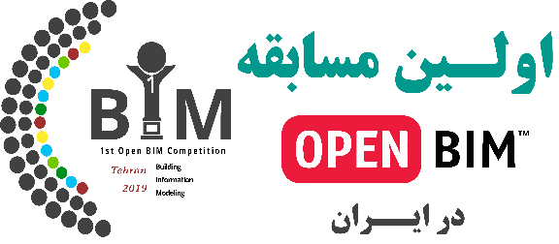
مستند سازی موارد کاربرد BIM |  |  |  | نام
 |  |  | ایمیل

 | نام پروژه

 | مورد کاربرد | Select from list

 | توضیح مورد کاربرد

 | بیان منافع حاصل شده برای پروژه

 | معیار های سنجش منافع حاصل شده

 | سایر موارد

 | لیست مدارک اثبات تحقق ادعا

 | لطفا دقت نمائید که در این قسمت تنها لیست فایل ها و مدارک ارسالی برای هر مورد کاربرد نوشته شود لطفا از پیوست کردن هرگونه فایل و تصویر در این بخش خود داری نمائید. لازم است مدارک ارسالی، بر اساس کاربرگ دستور العمل و راهنمای ثبت نام در مسابقه تهیه و ارسال گردد.

